Abb_Auswertung
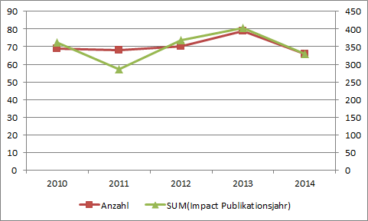
Year | Impact Factor (Mean) | IF (Median) | Anzahl Publikationen | Impact-Factor-Summe
2010 | 2.061 | 1.994 | 14 | 28.849
2011 | 2.476 | 2.391 | 10 | 24.760
2012 | 4.909 | 3.802 | 14 | 63.813
2013 | 3.592 | 2.19 | 30 | 96.978
2014 | 3.743 | 2.467 | 25 | 93.585
2015 | 3.884 | 2.559 | 30 | 112.639
2016 | 6.278 | 2.681 | 30 | 163.229
2017 | 6.829 | 3.389 | 28 | 191.201
2018 | 3.473 | 2.766 | 36 | 121.567
2019 | 6.731 | 2.832 | 32 | 208.664
2020 | 5.423 | 3.332 | 28 | 146.426
2021 | 4.350 | 3.695 | 31 | 130.492
2022 | 5.914 | 4.861 | 30 | 159.668
2023 | 6.604 | 5.600 | 27 | 171.700 | inkl. ahead of print

Jährliche Publikationen und Impact-Faktor-Summen KH Mara, Bethel
Univ-Klinik für Epileptologie Bonn

